Res_Iteracion1
Número de request | 150
Concurrencia | 10

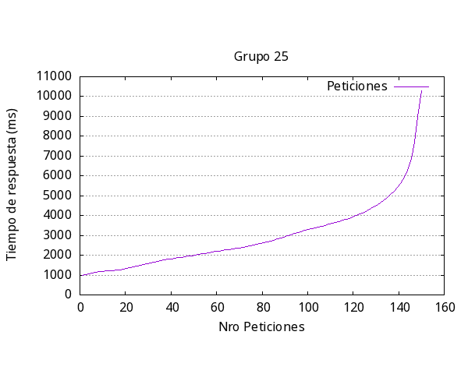
 |  | Media por solicitud | 3000ms
 |  | Solicitud mas rápida | 964ms
 |  | Solicitud mas lenta | 10304 ms
 |  | Request fallidas | 0
 |  | Request por segundo | 3.33

Res_iteracion2
Número de request | 300
Concurrencia | 30

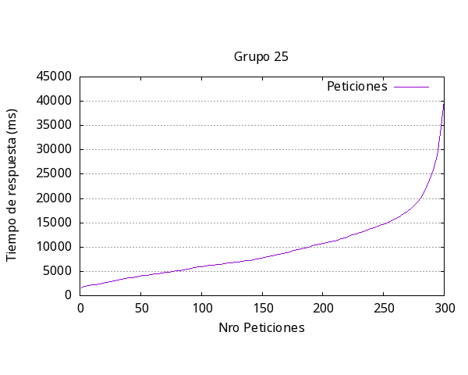
 |  | Media por solicitud | 10003ms
 |  | Solicitud mas rápida | 91ms
 |  | Solicitud mas lenta | 40180ms
 |  | Request fallidas | 0
 |  | Request por segundo | 3.00

Res_iteracion3
Número de request | 1000
Concurrencia | 100

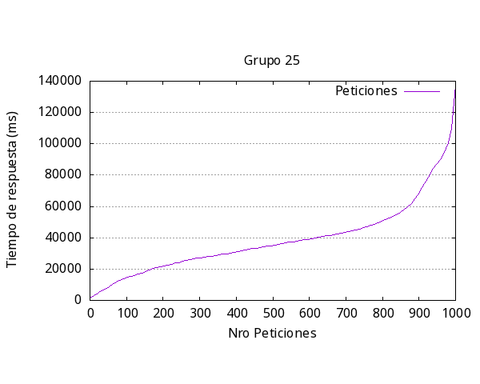
 |  | Media por solicitud | 39640ms
 |  | Solicitud mas rápida | 90ms
 |  | Solicitud mas lenta | 137373ms
 |  | Request fallidas | 1
 |  | Request por segundo | 2.52

Res_iteracion4
Número de request | 2000
Concurrencia | 200

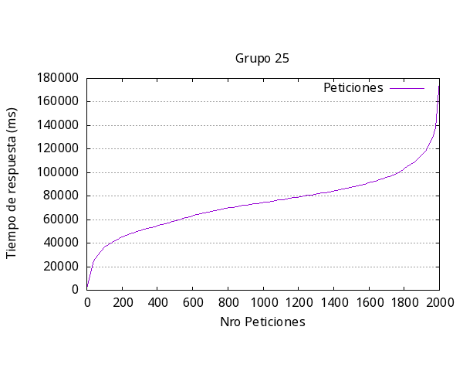
 |  | Media por solicitud | 77116ms
 |  | Solicitud mas rápida | 1240ms
 |  | Solicitud mas lenta | 178023ms
 |  | Request fallidas | 1
 |  | Request por segundo | 2.59

Res_iteracion5
Número de request | 1000
Concurrencia | 300

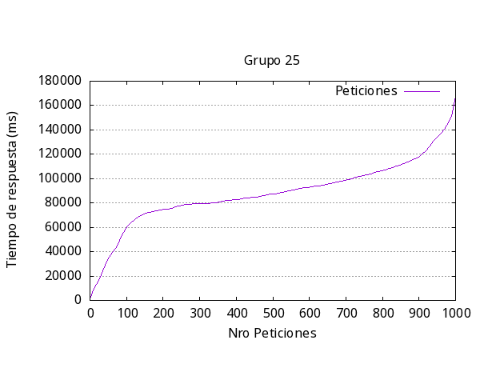
 |  | Media por solicitud | 99625ms
 |  | Solicitud mas rápida | 180ms
 |  | Solicitud mas lenta | 76874ms
 |  | Request fallidas | 87
 |  | Request por segundo | 3.01

general
Iteración | Media respuesta (ms) | Más Rápida (ms) | Más Lenta (ms) | Request Fallidas | Request por segundo | Iteración | Media respuesta (ms) | Más Rápida (ms) | Más Lenta (ms) | Request Fallidas | Request por segundo
1 | 60546.7 | 5256 | 60113 | 986 | 1.65
2 | 60538.9 | 5265 | 60089 | 989 | 1.65 | 1 | 63169 | 698 | 75915 | 405 | 1.58
3 | 60434.5 | 4181 | 60025 | 988 | 1.65 | 2 | 63203 | 664 | 79232 | 600 | 1.58
4 | 60441.6 | 4238 | 60020 | 989 | 1.65 | 3 | 65564 | 1517 | 85020 | 674 | 1.58
5 | 60477.2 | 4200 | 60024 | 988 | 1.65 | 4 | 65891 | 1941 | 98642 | 718 | 1.52
Promedio | 60487.78 | 4628 | 60054.2 | 988 | 1.65 | 5 | 65737 | 1552 | 85780 | 761 | 1.52
 |  |  |  |  |  |  | 64712,8 | 1274,4 | 84917.8 | 631,6 | 1,556
Respuesta más lenta por Iteración Experimento #2
Respuesta más lenta por Iteración Experimento #1

